Please Read First
Information on Global Bowtie and Performance Standard Templates

Context
 | Coronavirus disease (COVID-19) is an infectious disease caused by a newly discovered coronavirus in 2019. "In March 2020, the World Health Organization (WHO) declared the coronavirus from China a global pandemic. Most people infected with the COVID-19 virus will experience mild to moderate respiratory illness and recover without requiring special treatment. Older people, and those with underlying medical problems like cardiovascular disease, diabetes, chronic respiratory disease, and cancer are more likely to develop serious illness. Common signs of infection include respiratory symptoms, fever, cough, shortness of breath and breathing difficulties. In more severe cases, infection can cause pneumonia, severe acute respiratory syndrome, kidney failure and even death. Pet DW (WEL) does not currently have the risk of a COVID-19 Pandemic within its material risk profile. Based on current information regarding COVID-19 (including its applicability across all Regions that Pet DW (WEL) operate in) it is recommended that this risk is included as a material risk and Global Bowtie and Critical Control Performance standards are developed.
Purpose
 | The purpose of the Global Bowtie and Performance Standard templates is to provide global minimum requirements related to the COVID-19 Pandemic Risk and associated critical controls. The minimum requirements in these templates will be supplemented with local content where applicable (refer to "<insert reference to applicable local standards and legislative requirements>" for guidance)
Process
 | 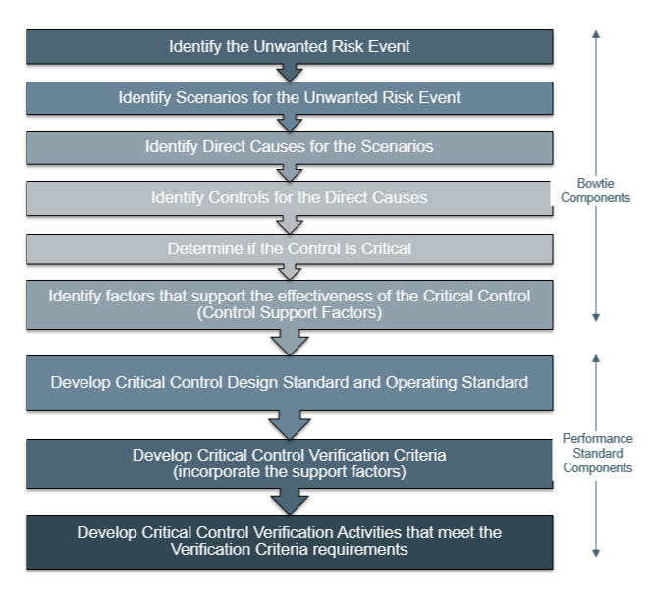 The process that was followed to develop the global bowtie and performance standards is detailed below. This is aligned to the process that has been developed and approved for other global risks following the project to align 3 safety risks. Please Note: 1. As the situation and knowledge of COVID-19 evolves we will update the BT and PS's therefore this will be an active document that gets updated regularly. For this reason we have inserted a list of all the relevant source documents and resources on the BT template for our reference. Updates or additions to the reference list will be communicated through the Change Log tab that is located in this workbook. This provides you will knowledge of changes so you are able to update and align the local content as required. 2. LA and CCO verifications have been chosen as the methods to verify the performance standard requirements for COVID19. The frequency of these verifications and who will undertake these is to be determined locally.

